sample
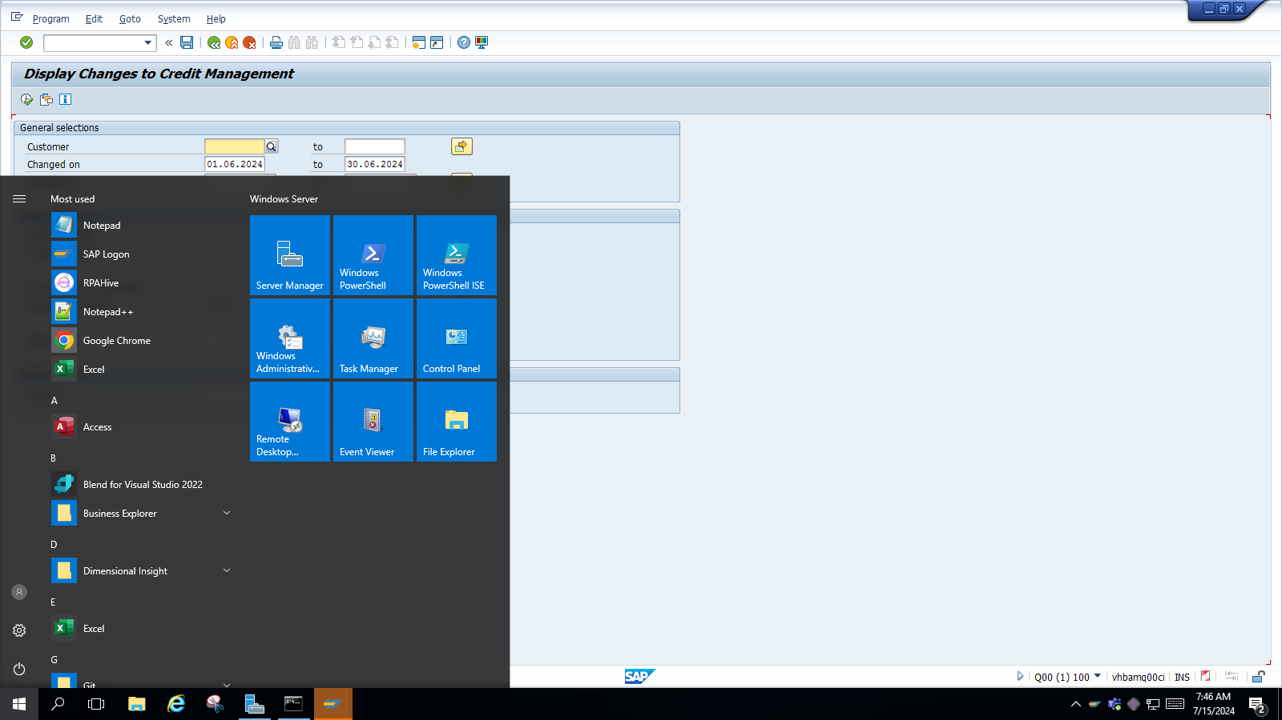

Total Rows Count | Risk category | Credit limit | Combined Value
37 | 3 | 6 | 9

